Literature Review
Sr. | Paper Title | Nature(Journal:1/Conference:0) | 1st Author | Name | Publisher | year | Objective/Problem Statement | Comfort model | Model based or model free | Control Variables | Reward Function | States | Actions | RL method/algorithm used used | Continuous or discrete | Linear or non linear | Heating/Cooling Method | Mode | Simulator used | Simulator Link | Dataset used | Dataset availability | Code Availability | House model? (simulated with RCL or anything else) | Other Software | Formulation | Additional Features | Rating (personal) out of 10 | Comments | Abstract | Conclusion
1 | Evaluating the Adaptability of ReinforcementLearning Based HVAC Control for Residential Houses | 1 | Kuldeep Kurte | sustainability | mdpi | 2020 | pre-trained DRL has the potential to adapt to different house environments and comfort settings. |  | Model Free | temperature | comment: It seems wrong. The variable gets cancelled on solving | St = {t, T in t , T out t , Pt}. | Action space (ON = 1/OFF = 0) including both the zones. The ON/OFF actions and their equivalent set point values are shown. | DQN- Q-learning | Discrete |  |  | Heating | Energy Plus |  | Knoxville, TN, USA | 0 | 0 | Electrical circuit representation | home energy management systems (HEMS) | click here | only controlling temperature |  | its non implementable due to missing dataset and exact details | Intelligent Heating, Ventilation, and Air Conditioning (HVAC) control using deep reinforcement learning (DRL) has recently gained a lot of attention due to its ability to optimally control the complex behavior of the HVAC system. However, more exploration is needed on understanding the adaptability challenges that the DRL agent could face during the deployment phase. Using online learning for such applications is not realistic due to the long learning period and likely poor comfort control during the learning process. Alternatively, DRL can be pre-trained using a building model prior to deployment. However, developing an accurate building model for every house and deploying a pre-trained DRL model for HVAC control would not be cost-effective. In this study, we focus on evaluating the ability of DRL-based HVAC control to provide cost savings when pre-trained on one building model and deployed on different house models with varying user comforts. We observed around 30% of cost reduction by pre-trained model over baseline when validated in a simulation environment and achieved up to 21% cost reduction when deployed in the real house. This finding provides experimental evidence that the pre-trained DRL has the potential to adapt to different house environments and comfort settings. | In this paper, we presented an end-to-end workflow for evaluating the adaptability of the reinforcement learning (pre-trained) based HVAC control for residential houses. The pre-trained RL model developed in the simulated environment showed around 30 $ of energy cost savings with much less comfort violation when validated in the virtual deployment mode. This provided us with experimental evidence that the RL agent was able to take advantage of the low price period and the strategy of 2 ◦F flexibility band to save the energy cost while maintaining the user’s comfort. The similar strategy can be utilized while training the RL model for winter where the heating setpoint can be used as LT and a 2 ◦F flexibility range above LT, i.e., UT = LT + 2 to allow RL to pre-heat during low price periods to save cost. However, the experiments are required to evaluate the performance with the 2 ◦F flexibility range. We also performed validation using synthetic houses in the virtual deployment mode where the cooling setpoint (UT) varied at ≈10 days of interval for a month of August. Along with the energy price savings, we found that the pre-trained RL model was able to adapt to the environment of the synthetic houses as well as the changing cooling setpoint. The adaptability to changing comfort range was achieved using the feature scaling strategy that uses [LT(= UT − 2), UT] and flexibility range to scale the indoor temperature features of the state. Here, we found some comfort violation when setpoint changed from 75 ◦F to 73 ◦F. We believe that if we provide some look-ahead information on the changing setpoint the RL agent could pre-cool more and quickly adapt to the new setpoint. After we obtained the satisfactory performance in the virtual deployment mode, i.e., in phase 2 and 3, we deployed the pre-trained model in the real house. Results from both RL deployments indicated RL savings in the range of 11–21% for different days. This is lower than the RL savings
2 | DeepComfort: Energy-Efficient Thermal Comfort Control in Buildings via Reinforcement Learning | 1 | Guanyu Gao | IEEE Internet of Things Journal | IEEE | 2020 | The experimental results show that our approaches can improve the performance of thermal comfort prediction by 14.5% and reduce the energy consumption of HVAC by 4.31% while improving the occupants' thermal comfort by 13.6%. | PMV | Model Free? Is it? | temperature and humidity |  | St =  Tin t , Hin t , Tout t , Hout t  | At =  Tset t , Hset t  | deep feedforward neural network (FNN) with Bayesian regularization for predicting the occupants’ thermal comfort.deterministic policy gradients (DDPGs)-based approach [17] for learning the thermal comfort control policy-Simulated as actor critic problem | Continuous | 1 |  | Both | TRNSYS & Matlab |  | ASHRAE RP-884 thermal comfort data set | 1 | 0 | TRNSYS environment | TRNSYS is adopted for simulating the building thermal environment and the HVAC, and MySQL is adopted for storing sensor data and setpoints. | click here | Used Matlab |  | it’s a good paper. Plus as per them their approach out perform DQN that two with temperature and Humidity both. Takes outdoor temperature as well | —Heating, ventilation, and air conditioning (HVAC) are extremely energy consuming, accounting for 40% of total building energy consumption. It is crucial to design some energyefficient building thermal comfort control strategy which can reduce the energy consumption of the HVAC while maintaining the comfort of the occupants. However, implementing such a strategy is challenging, because the changes of the thermal states in a building environment are influenced by various factors. The relationships among these influencing factors are hard to model and are always different in different building environments. To address this challenge, we propose a deep-reinforcementlearning-based framework, DeepComfort, for thermal comfort control in buildings. We formulate the thermal comfort control as a cost-minimization problem by jointly considering the energy consumption of the HVAC and the occupants’ thermal comfort. We first design a deep feedforward neural network (FNN)-based approach for predicting the occupants’ thermal comfort and then propose a deep deterministic policy gradients (DDPGs)-based approach for learning the optimal thermal comfort control policy. We implement a building thermal comfort control simulation environment and evaluate the performance under various settings. The experimental results show that our approaches can improve the performance of thermal comfort prediction by 14.5% and reduce the energy consumption of HVAC by 4.31% while improving the occupants’ thermal comfort by 13.6%. | In this article, we proposed a learning-based optimization framework for optimizing the occupants’ thermal comfort and the energy consumption of the HVAC in buildings. We first designed a deep neural-network-based method with Bayesian regularization for thermal comfort prediction and then we adopted DDPG for controlling the HVAC for optimizing the energy consumption whiling meeting the occupants’ thermal comfort requirements. We implemented a building thermal comfort control simulation system using TRNSYS and evaluated the performances under different settings. The results showed that our method can achieve better prediction performances for thermal comfort prediction, and it can achieve higher thermal comfort and energy efficiency compared with the baseline methods. In future works, we may consider using transfer learning to improve learning efficiency via the transfer of knowledge from different HVACs, or using model-based reinforcement learning [48] to improve the learning efficiency of thermal comfort control by modeling system dynamics.
3 | Energy-efficient personalized thermal comfort control in office buildings based on multi-agent deep reinforcement learning | 1 | Liang Yu | Building and Environment | ELSEVIER | 2022 | In this paper, the coordination control problem of PCSs and an HVAC system in a shared office space is investigated to minimize the total energy consumption while maintaining comfortable individual thermal environment for each occupant. | PMV | Model Free | Temperature | H is presence or absence of person. C is energy consumption. Alpha and theeta/phi represents the importance of energy. Comment: Too compex |  | adjusting the HVAC temperature set-point and fan speeds. | multi-agent deep reinforcement learning | Continuous |  |  | Cooling | Energy Plus, ASHRAE9012016_OfficeSmall_Denver |  | real-world weather data in Tampa, Florida, USA, which has the largest cooling demand from June 1 to September 30 among five cities (i.e., San Francisco, Golden, Tampa, Chicago, and Washington) with available weather data in EnergyPlus v9.5. |  | 0 |  | Python | click here | Personalised thermal comfort |  | its for building only with different workspaces in same room. PCS, dynamically adjustment of HVAC temperature set-points by DRL techniques contributes to saving energy and improv ing thermal comfort simultaneously. H | In a shared office space, the percentage of occupants with satisfied thermal comfort is typically low. The main reason is that heating, ventilation, and air conditioning (HVAC) systems cannot provide individual thermal environment for each occupant within the shared office space. Although personal comfort systems (PCSs) can be adopted to implement heterogeneous thermal environments, they have limited adjustment abilities. At this time, coordinating the operations of PCSs and an HVAC system is a good choice. In this paper, the coordination control problem of PCSs and an HVAC system in a shared office space is investigated to minimize the total energy consumption while maintaining comfortable individual thermal environment for each occupant. Specifically, we first formulate an expected energy consumption minimization problem related to PCSs and an HVAC system. Due to the existence of an inexplicit building thermal dynamics model and uncertain parameters, it is challenging to solve the problem. To overcome the challenge, we reformulate the problem as a Markov game with heterogeneous agents. To promote an efficient cooperation of such agents, we propose a real-time control algorithm based on attention-based multi-agent deep reinforcement learning, which does not require an explicit building thermal dynamics model and any prior knowledge of uncertain parameters. Simulation results based on real-world traces show that the proposed algorithm can reduce energy consumption by 0.7%–4.18% and reduce average thermal comfort deviation by 64.13%–72.08% simultaneously compared with baselines. | In this paper, we investigated an optimal coordination control problem among an HVAC system and PCSs in a shared office space. Due to the solving challenges caused by inexplicit building thermal dynamics models, uncertain parameters, temporally coupled constraints, and large action space, we reformulated the optimization problem as a cooperative Markov game. To solve the Markov game efficiently, we proposed an energy-efficient thermal comfort control algorithm based on AMADRL, which combines multi-agent DRL and attention mechanism. Note that the proposed algorithm did not require an explicit building thermal dynamics model and any prior knowledge of uncertain parameters. Extensive simulation results based on real-world traces showed the convergence, flexibility, effectiveness, robustness, and versatility of the proposed algorithm. In terms of algorithmic effectiveness, the proposed algorithm can reduce energy consumption by 0.7%–4.18% and reduce average thermal comfort deviation by 64.13%–72.08% simultaneously compared with a DRL-based method and two rule-based methods, which indicates the necessity of adjusting an HVAC temperature set-point and fan speeds of PCSs dynamically and cooperatively. In future work, we intend to evaluate the extent of performance improvement that brought by the proposed algorithm when other types of HVAC systems (e.g., variable air volume, and variable refrigerant flow) are considered.
4 | ED-DQN: An event-driven deep reinforcement learning control method for multi-zone residential buildings | 1 | Qiming Fu | Building and Environment | ELSEVIER | 2023 | event-driven deep Q network (ED-DQN) method, which optimizes the action selection based on the triggered events thus reducing energy consumption. |  | Model free | Temperature | sw is penality for switching. Comments: Not properly formatted in latex. Its good that they have included code for switching | state can be represented as [Tout(t), Tin,1(t), Tin,2(t), Tin,3(t), λelectricity(t), K1(t),K2(t),K3(t)]. | The HVAC unit in each zone has a binary on/off state, which is controlled by the following logic based on the current indoor tempera tures | event-driven deep Q network (ED-DQN) method | Discrete | 1 |  | Cooling | simulation testbed using Python |  | real world | 1 | 1 |  | datadriven only python | click here | event driven |  | This paper has considered ocuupany and electricity prices. Multizone building exactly what we want. Code is available a plus. However, although ED-DQN performs well in HVAC systems, the definition of events relies on prior knowledge, which is not always completely accurate. Therefore, constructing accurate and reliable events is of utmost importance. To achieve this goal, leveraging machine learning and data visualization methods to dynamically mine deep data is an important research direction for the future. | Residential Heating, Ventilation, and Air conditioning (HVAC) systems are responsible for a significant amount of energy consumption, but their management is challenging due to the complexities of building thermodynamics and human activities. Reinforcement learning (RL) has been adopted to tackle this issue, but traditional RL methods require massive training data, long learning periods, and frequent equipment adjustments. To address these issues, we construct a new event-driven Markov decision process (ED-MDP) framework, which enables adjustments of control policies triggered by events, reducing unnecessary operations. Moreover, we propose an event-driven deep Q network (ED-DQN) method, which optimizes the action selection based on the triggered events. In the HVAC control problem, the proposed ED-DQN can effectively capture dynamic non-linear features of thermal comfort, and reduce the equipment damage caused by frequent adjustments. Our experimental results show that compared to three benchmark methods and three RL methods, our ED-DQN achieved state-of-the-art performance in both energy saving and thermal comfort violations. Moreover, our method demonstrates promising performance when applied to new test thermal environments, indicating its robustness and adaptability for optimizing residential HVAC controls. | In this paper, a new framework called ED-MDP and a new method called ED-DQN are proposed for optimizing HVAC control in multi-zone residential buildings. The experimental results demonstrate that the proposed ED-DQN method, compared to traditional methods, achieves a better balance between thermal comfort and energy consumption without requiring an accurate thermodynamic model. Compared to traditional RL methods, ED-DQN can learn faster through non-periodic learning, leading to a significant reduction in the frequency of decisions. Additionally, this method exhibits generalization capabilities for unknown environments. However, although ED-DQN performs well in HVAC systems, the definition of events relies on prior knowledge, which is not always completely accurate. Therefore, constructing accurate and reliable events is of utmost importance. To achieve this goal, leveraging machine learning and data visualization methods to dynamically mine deep data is an important research direction for the future.
5 | Intelligent multi-zone residential HVAC control strategy based on deep reinforcement learning | 1 | Yan Du | Applied Energy | ELSEVIER | 2021 | Simulation results prove the economy and time efficiency of the DDPG method. |  | Model Free | Temperature | the first term is the energy cost of the HVAC system, where λretail(t’) is the retail price, EHAVC(t’) is the power consumption, and Δt is the control interval; the second term is the penalty for user comfort violation, which is calculated as follows: Tth is a threshold with a small value. The temperature violation is not counted if the magnitude of the violation is smaller than Tth. | 1) current outdoor temperature Tout(t); 2) current indoor temperature Tin,z(t) for the all the zones z; 3) the lower bound of the user comfort level Tlower(t); 4) retail price λretail(t), where t is the current time step. |  | deep deterministic policy gradient (DDPG) | Continuous |  |  | Both | Electrical Thermal model as in 7 |  |  | 1 | 0 | Electrical circuit representation | Python | click here | t DDPG has lower energy cost and less temperature violation than DQN, and energy consumption can be reduced by 15%. Comfort violations are reduced by 79%. |  | For DQN action space needs to be discrete | Residential heating, ventilation, and air conditioning (HVAC) has been considered as an important demand response resource. However, the optimization of residential HVAC control is no trivial task due to the complexity of the thermal dynamic models of buildings and uncertainty associated with both occupant-driven heat loads and weather forecasts. In this paper, we apply a novel model-free deep reinforcement learning (RL) method, known as the deep deterministic policy gradient (DDPG), to generate an optimal control strategy for a multi-zone residential HVAC system with the goal of minimizing energy consumption cost while maintaining the users’ comfort. The applied deep RL-based method learns through continuous interaction with a simulated building environment and without referring to any prior model knowledge. Simulation results show that compared with the state-of-art deep Q network (DQN), the DDPG-based HVAC control strategy can reduce the energy consumption cost by 15% and reduce the comfort violation by 79%; and when compared with a rule-based HVAC control strategy, the comfort violation can be reduced by 98%. In addition, experiments with different building models and retail price models demonstrate that the well-trained DDPG-based HVAC control strategy has high generalization and adaptability to unseen environments, which indicates its practicability for real-world implementation. | In this paper, the DDPG RL method is applied for controlling a multizone residential HVAC system to minimize the energy consumption cost while maintaining the user comfort. The DDPG can realize continuous control of the HVAC setpoint due to its application of DNNs. Simulation results demonstrate that the well-trained DDPG RL agent can act intelligently to balance the different optimization objectives, and that it also gains generalization and adaptability to unseen environment, which signifies its potential for future online applications in solving MDP problems with hidden information or with continuous search space. For future works, we will mainly look into two directions for further improving the robustness of the RL-based control strategy: 1) considering different seasoning scenarios, the deep RL agent should learn to automatically switch between different operation modes, i.e. cooling and heating, in order to be applied to a longer control period, i.e. one year, to provide economic control strategies for HVAC users; 2) considering different user preferences, the deep RL agent should be able to learn a more variant setpoint schedule customized by users, and provide more flexible HVAC control strategies. By investigating these two directions, the deep RL agent will become more generalized and robust against uncertainties in real-world operation scenarios.
6 | Building thermal model development of typical house in U.S. for virtual storage control of aggregated building loads based on limited available information | 0 | Cui, Borui | 30th International Conference on Efficiency, Cost, Optimisation, Simulation and Environmental Impact of Energy Systems. San Diego, California |  | 2017 | A self-learning grey-box model has been developed by implementing data-driven techniques and utilizing limited available information about the building. |  |  |  | 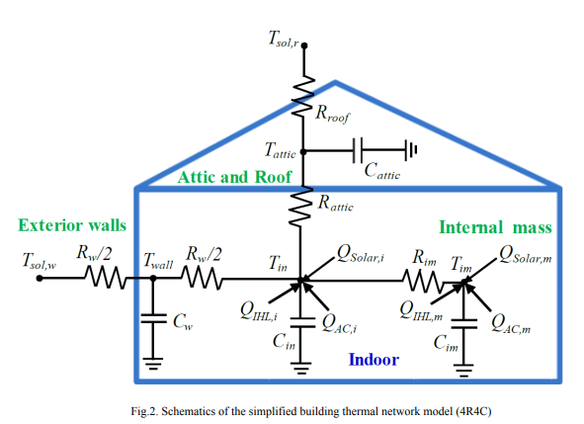 |  |  | Developed thermal model for a house |  |  |  |  |  |  | click here | 1 |  |  |  | click here | How can the same paper be published multiple times |  | This model of residential building is used by many researchers | A building thermal model is an essential component for achieving optimal control of a building’s heating, ventilation, and air conditioning (HVAC). A self-learning grey-box model has been developed by implementing data-driven techniques and utilizing limited available information about the building. In previous research, detailed foreknown knowledge/information, e.g. physical and thermal properties of building materials, as well as sufficient number of observation points, e.g. indoor temperature sensors in different zones, are available for making the decision of model structure and parameters searching range easier. The availability of measured data and a narrowed searching range of model parameters, e.g. resistance and capacity for each wall, made the adopted algorithms quickly achieve near optimal values, which closely approximate the actual heat transfer of a building. Meanwhile, the details of pre-processing of the key inputs were seldom explained. Compared to the previous research, in this study, the available information is assumed to be limited which can fill the requirement for large scale virtual storage control of real residential community in near future, where it may be impractically or over time-consuming to acquire the detailed information for each single house. The developed model is validated by comparing the results to measured data in a recently-built home typical of the southeastern United States. | A simplified grey-box model with appropriate assumptions and complexity is developed based on limited available information from a typical building in the southeast region of the U.S. The model has excellent performance in prediction of building indoor temperature for a 24-hour horizon. Due to the simplified structure and reduced number of inputs, it can be readily adopted in popular optimal virtual storage or DR control, e.g. MPC, of multiple building loads to provide grid services. Some features in the developed modelling method can be promoted and directly applied in modelling of other houses in U.S.: The first-order building model structure which considers the nonhomogeneous heat transfer features of exterior wall, roof and internal mass separately. Second, the identification method of the view factors. Third, the broad searching ranges of RC and other coefficients, which includes all the possible values of equivalent R and C of typical houses in specific regions of the U.S.
7 | Deep reinforcement learning to optimise indoor temperature control and heating energy consumption in buildings | 1 | Silvio Brandi | Energy and Buidlings | ELSEVIER | 2020 | control the supply water temperature setpoint to terminal unit of heating system for an office building considering weather condition, occupent presence patterns and different temperature setpoints. |  |  | Temperature |  | Variable Min Value Max Value Unit Time of the day 0 24 h Day of the week 1 7 – External Air Temperature 12 26 C Direct Solar Radiation 0 720 W/m2 Supplied Heating Energy 0 125 kWh Supply Water Temperature 10 80 C Return Water Temperature 10 80 C Occupants’ Presence Status 0 1 – Indoor Set Point 13 25 C Indoor Air Temperature 13 25 C Indoor Air Temperature, 15 min lag 13 25 C Indoor Air Temperature, 30 min lag 13 25 C Indoor Air Temperature, 45 min lag 13 25 C | e. The space includes the following actions related to the supply water temperature in C: At ¼ ½  20; 40; 50; 60; 70 These values where selected in order to provide to the DRL agent the same range of supply water temperature setpoint as the baseline controller | Q learning |  |  |  |  | Building Control Virtual Test Bed (BCVTB) and the external interface of EnergyPlus to perform the simulations |  |  |  |  |  | EMIS, Energyplus and Python mainly |  |  | Flowchart is great with energyplus and gym | deep q learning | In this work, Deep Reinforcement Learning (DRL) is implemented to control the supply water temperature setpoint to terminal units of a heating system. The experiment was carried out for an office building in an integrated simulation environment. A sensitivity analysis is carried out on relevant hyperparameters to identify their optimal configuration. Moreover, two sets of input variables were considered for assessing their impact on the adaptability capabilities of the DRL controller. In this context a static and dynamic deployment of the DRL controller is performed. The trained control agent is tested for four different scenarios to determine its adaptability to the variation of forcing variables such as weather conditions, occupant presence patterns and different indoor temperature setpoint requirements. The performance of the agent is evaluated against a reference controller that implements a combination of rule-based and climatic-based logics. As a result, when the set of variables are adequately selected a heating energy saving ranging between 5 and 12% is obtained with an enhanced indoor temperature control with both static and dynamic deployment. Eventually the study proves that if the set of input variables are not carefully selected a dynamic deployment is strictly required for obtaining good performance. | In the present paper, the application of DRL control in a water-based heating system was developed and analysed in a simulation environment. The flexibility and adaptability of the control agent to different occupancy schedules and indoor temperature requirements was tested in different scenarios showing the potentialities of the proposed solution. A proper selection of variables defining the state-space was proposed with the aim of developing a controller capable to adapt to dynamic changes of the environment. The importance of hyperparameters selection was highlighted by analysing the sensibility of the results for different configurations of their values. The DRL control agent with variables selected according to adaptive approach led to savings between 5% and 12% of heating energy depending by the analysed scenario. This agent was able to achieve these performances in a static deployment configuration suggesting that a careful design of the state space may be sufficient in providing to an agent the capability to adapt to changes in the controlled environment without scarifying its stability with a dynamic deployment configuration. At the same time, the controller achieved satisfying performance in controlling indoor air temperature. Future works will be focused on the following aspects: • Exploring the capabilities of Multi-Agent Reinforcement Learning (MARL) framework. The present work focuses on only one zone of an office building characterized by a complex HVAC system. MARL could provide a solution to coordinate multiple actuators that are present in an HVAC system in order to reach a global optimum solution. • Comparing the performance of DRL with model-based control solution such as MPC. Due to its model-free formulation, Reinforcement Learning is diametrically opposed to Model Predictive Control. A robust comparison between these two techniques in terms of control performance, computational cost and modelling effort could provide useful insights o
8 | Fusing TensorFlow with building energy simulation for intelligent energy management in smart cities | 1 | José R. Vázquez-Cantelia,b | Sustainable Cities and Society | ELSEVIER | 2019 | Simulation environment for intelligent energy management in smart cities. Fused urban energy simulator CitySim with machine learning library TensorFlow. Applied deep reinforcement learning controller in two case studies. |  | Model free | Temperature | Only discussion about reward function without its mathemetical formulation. Aimed to reduce power consumption and maintain temperature. na |  |  | DRL, Q-learning |  |  |  | case 1 cooling control, | new simulation environment, merged by the building energy simulator CitySim and the machine learning library TensorFlow |  | Austin, TX | NA | NA | Simulated |  |  | Considered security risk associated with model free RL as well and compared the actions with and without security feature. | 8 | RL is particularly useful for this purpose as it can find improved control policies after being trained either off-line, e.g., using historical data, or on-line, e.g., when it controls the system. In fact, a RL controller can learn from a different controller by observing its actions, whether it is a rule-based controller (RBC) or an MPC. It can then improve the control actions over time. Dummy values for electrical prices "he purpose of using a simplified linear model of electricity prices, which is dependent on the energy consumption of both buildings, is not to model a real electricity market scenario but rather to create conditions under which the buildings need to learn from each other and achieve some degree of coordination:" | Buildings account for 35% of the global final energy demand. Efficiency improvements and advanced control strategies have a significant impact in the reduction of energy costs and CO2 emissions. Building energy simulation is widely used to help planners, contractors, and building owners analyse diverse options regarding the planning and management of energy consumption in buildings. Furthermore, recent advances in data processing and computing have led to the development of sophisticated machine learning algorithms that can learn from large datasets, e.g., sensor data from buildings, and use them to develop building-specific adaptive and automatic energy controllers. Control algorithms, such as deep reinforcement learning can tune themselves, are model-free, and economical to implement. In this paper, we introduce an integrated simulation environment that combines CitySim, a fast building energy simulator, and TensorFlow, a platform for efficient implementation of advanced machine learning algorithms. The integration is achieved via Keras—an API for TensorFlow—and a set of text and csv files for data transfer between the applications. This new environment will allow researchers to investigate novel learning control algorithms, and demonstrate their robustness and potential for diverse applications in the built environment. We present two case studies for energy savings and demand response, respectively. | The rise of information and communication technologies and the internet of things, has led to the collection of an increasing amount of data on buildings, and building operation. From these data, novel and improved machine learning techniques, such as deep learning, and the increase of computational power of computers will allow us to extract useful information, and generate actionable knowledge. In this paper, we have introduced a new simulation environment that is the result of merging CitySim, a building energy simulator, and TensorFlow, a powerful machine learning library. This new simulation environment has the potential for developing building energy scenarios in which machine learning algorithms, such as deep reinforcement learning, are applied to of the major problems and opportunities modern cities face, e.g., the increased demand for heating and cooling due to increasing populations. This simulation environment allows to study model-free and self-tuning control algorithms, such as deep reinforcement learning (DRL) when integrating distributed renewable energy sources and storage devices into buildings. DRL can learn on-line and off-line from historical sensor data, and it can adapt to diverse changes in the system it controls on both the demand and the supply side. Its off-line learning feature allows it to be safely implemented with a back-up controller and operational constraints. There are many potential applications beyond what has been demonstrated in our case study. For instance, the results of a building energy simulation at the urban level could be used to derive surrogate models, which can be then used for faster system optimization purposes. Furthermore, provided with econometric, urban development and weather models projected over several decades, the adaptation of the energetic behaviour of the building stock to those variations can be studied. In conclusion, our powerful simulation environment will enable studying smart cities from
9 | Applications of reinforcement learning for building energy efficiency control: A review | 1 | Qiming Fu | Journal of Building Engineering | ELSEVIER | 2022 | Reinforcement learning has been explored for its potential in the field of building energy efficiency control. |  |  |  | where CLsystem is the system cooling load (kW), Pchillers is the total power of all chillers (kW), Pcwps is the total power of all cooling water pumps (kW), and Ptowers is the total power of all cooling towers (kW). The goal is to make this reward value as large as possible, i.e., the sum of the powers in the denominator is small, which means that energy savings are achieved. |  |  | This reward is a multi-objective function which consists of two items, the former being the energy consumption of the HVAC system and the latter being the penalty for violating the user’s comfort, where λretail(t′) is the retail price,EHVAC(t′) is the power consumption, and Δt is the control interval. To balance these two objectives, two weighting factors wc and wp are added, setting the ultimate goal of this reward to obtain the lowest total energy consumption plus the smallest penalty. | Both |  |  | NA | NA |  | NA | NA | NA | NA | NA | click here | check its appendix |  | Could have made a better review in terms of envirnmoents and simulators reviews as well. Which technique is actually dominating over others in HVAC? Was missing. Good insight of number of publications on policy based and value based RL. | The wide variety of smart devices equipped in modern intelligent buildings and the increasing comfort requirements of occupants for the environment make the control of intelligent buildings important and complex. Reinforcement learning, as a class of control techniques in machine learning, has been explored for its potential in the field of intelligent building control. Reinforcement learning methods applied to intelligent buildings can effectively reduce energy consumption. In this paper, we classify reinforcement learning algorithms and analyze the control problems that each algorithm is suitable for solving. In addition, we review the reinforcement learning methods applied to control and manage buildings, outline the problems and future directions of reinforcement learning applications in intelligent buildings, and give our suggestions for researchers who want to use reinforcement learning methods to solve control problems in this field | This paper presents a review of reinforcement learning algorithms applied to intelligent buildings. We find that current research on reinforcement learning algorithms applied to the field of intelligent buildings, the value-based class of reinforcement learning algorithms is used more often, among which the more prominent is the Q-learning algorithm. The policy-based methods become class of methods have been gradually applied since 2017, and are gradually applied to complex building control problems. Deep reinforcement learning algorithms including DQN, DDPG, etc. are also gradually applied to intelligent building control. Reinforcement learning as a control method applied to intelligent buildings has better performance and efficiency than traditional control methods. We classify the algorithms of reinforcement learning and study the application of each algorithm in each category separately. In addition, we also analyze the characteristics of the algorithms, so as to provide a reference for the subsequent selection of reinforcement learning algorithms to solve practical problems. When selecting RL algorithms to solve control problems in different scenarios of intelligent buildings, we try to present some suggestions for consideration: ⋅ For practical problems with small action space, we suggest using value-based algorithms. When the problem with small-scale state space and the action space is discrete or can be discretized, Q-learning algorithm can be considered, such as [19,23,46]. When the problem’s state space becomes large enough or continuous, we suggest using function approximation methods, such as DQN-like algorithms [24,45]. ⋅ For practical problems with large action space or continuous action space, we suggest using policy-based algorithms, especially Actor-Critic algorithms. For this type of problems, policy-based algorithms can achieve excellent control results, such as [48,52,65, 66]. ⋅ When solving practical problems with complex control scales a
10 | Comparative study of model-based and model-free reinforcement learning control performance in HVAC systems | 1 | Cheng Gao | Journal of Building Engineering | ELSEVIER | 2023 | Performance gaps between model-free and model-based RL are analyzed. |  | both | Temperature | where r(t) represents the performance of operation cost and zone temperature at t time; reward(t) represents the value of reward given to the agent at t time; a, b, c are weight factors, which are set to 10, 1, 0.05, respectively. tdis is the total discomfort between the initial time t0 and the final time tf; z | Tout, Qrad, Tup, Tlow, Price,..Zone temperature, Outdoor bulb temperature, solar radiation, Upper and lower bound of zone temperature, Electricity pricing | . The range of action space, the heat pump modulating signal, is [0, 1]. In SAC, the action space is continuous from 0 to 1. In DDQN, the action space is partitioned into 10 uniform intervals, u = {0, 0.1, 0.2, …, 1}, because it works in the discrete action space | Comared Model based and Model free algorithms | . In SAC, the action space is continuous from 0 to 1. In DDQN, the action space is partitioned into 10 uniform intervals, u = {0, 0.1, 0.2, …, 1}, because it works in the discrete action space. |  |  |  | open-source testbed for building control performance benchmarking, building optimization testing framework (BOPTEST) [32] is selected as the virtual test environment in this paper.The test case “BESTEST Hydronic Heat Pump” is of interest in this paper. This model represents a simplified residential dwelling for a 5-member family, modeled as a single thermal zone, located in Brussels, Belgium. The building has a rectangular floor plan of 12 m by 16 m and contains 24 m2 of windows on the south facade. | CLICK HERE | “BESTEST Hydronic Heat Pump” is of interest in this paper. This model represents a simplified residential dwelling for a 5-member family, modeled as a single thermal zone, located in Brussels, Belgium. The building has a rectangular floor plan of 12 m by 16 m and contains 24 m2 of windows on the south facade. | Data will be made available on request. |  | BOPTEST |  | click here |  |  | Good for writing thesis. A state-of-the-art model-based RL framework with a learned model is introduced to develop their model-based versions. a typical HVAC system of an open-source virtual environment | Reinforcement learning (RL) shows the potential to address drawbacks of rule-based control and model predictive control and exhibits great effectiveness in heating, ventilation and air conditioning (HVAC) systems. Most studies employed model-free RL to achieve building energy conservation and increase indoor comfort. However, model-free RL algorithms face the challenge of sample efficiency which causes long-time training and restricts their applications. Model-based RL is considered an alternative avenue for accelerating learning and promoting the application of RL, but it also has limitations due to modeling approaches and accuracy. In addition, few studies propose model-based RL algorithms and investigate performance gaps between model-free and model-based RL in HVAC systems. Therefore, this study conducts a comprehensive performance comparison between model-free and model-based RL to identify the current issues with RL control in HVAC systems. The open-source building optimization testing (BOPTEST) framework is employed as the virtual environment to evaluate the control performance and computational burden. Then Dueling Deep Q-Networks and Soft Actor-Critic are developed, and a state-of-the-art model-based RL framework is employed to develop their model-based versions. The comparison results showed that all RL controllers outperform the baseline control in terms of indoor temperature and operation costs. Model-based RL can achieve a control performance as good as model-free RL with a shorter training time based on its high sample efficiency. Moreover, due to massive and quickly generated data, model-based RL can accelerate the learning of RL agents, though the model is inaccurate at the early training stage. This study would provide some insights into the RL control selection and improvements in HVAC systems.
11 | Event-Based Optimization Within the Lagrangian Relaxation Framework for Energy Savings in HVAC Systems | 1 |  | IEEE TRANSACTIONS ON AUTOMATION SCIENCE AND ENGINEERING | IEEE | 2015 |  |  |  |  |  |  |  | Lagrangian relaxation framework.event-based approach to make the nonstationary optimal policy stationary in the planning horizon. | discrete |  |  | Cooling |  |  |  |  |  |  |  |  |  |  | Numerical results demonstrate that, as compared with time-based approaches, the event-based approach maintains similar levels of energy costs and human comfort, but reduces computational efforts significantly and has a much faster response to events. | Optimizing HVAC operation becomes increasingly important because of the rising energy cost and comfort requirements. In this paper, an innovative event-based approach is developed within the Lagrangian relaxation framework to minimize an HVAC's day-ahead energy cost. To solve the HVAC optimization problem based on events is challenging since with time-dependent uncertainties in weather, cooling load, etc., the optimal policy is not stationary. The nonstationary policy space is extremely large, and it is time consuming to find the optimal policy. To overcome the challenge, we develop an event-based approach to make the nonstationary optimal policy stationary in the planning horizon. The key idea is to augment state variables to include the time-dependent variables that make the optimal policy nonstationary and then define events based on the extended state variables. In addition, we develop within the Lagrangian relaxation framework a Q-learning method where Q-factors are used to evaluate event-action pairs and to obtain the optimal policy. Numerical results demonstrate that, as compared with time-based approaches, the event-based approach maintains similar levels of energy costs and human comfort, but reduces computational efforts significantly and has a much faster response to events.
12 | Deep Reinforcement Learning for Temperature Control in Buildings and Adversarial Attacks |  |  | DEGREE PROJECT IN COMPUTER SCIENCE AND ENGINEERING, SECOND CYCLE, 30 CREDITS STOCKHOLM, SWEDEN 2021 |  | 2021 | The goal of this thesis is to achieve satisfactory results in optimally controlling HVAC systems with DRL and show that these systems can be subjected to adversarial attacks. |  |  |  | They have proposed 3 reward functions. C is Co2 level. The reward for the CO2 is multiplied by a factor k ≥ 0 in order to find a balance between the reward of the temperature and the CO2 reward, if k = 0 the agent does not focus on the CO2 levels of the building and only consider the temperature. Logrithmic performed better in experimentations. |  |  |  |  |  |  |  | IDA ICE, by EQUA |  |  |  |  |  |  |  |  |  | The results focus mainly on temperature control rather than CO2 control. . beacuse Because on average, the indoor CO2 level is stable for all agents trained, regardless of their temperature control.the system can simulate occupants coming in and out of the zone in the apartment. However, this is not part of the data sent by IDA; hence, the agent experiences partial observability if trained on the building model with occupants.
15 | A review of reinforcement learning methodologies for controlling occupant comfort in buildings | 1 | Mengjie Han | Sustainable Cities and Society | ELSEVIER | 2019 | Literature Review of RL based control | na | both | na | na |  |  | 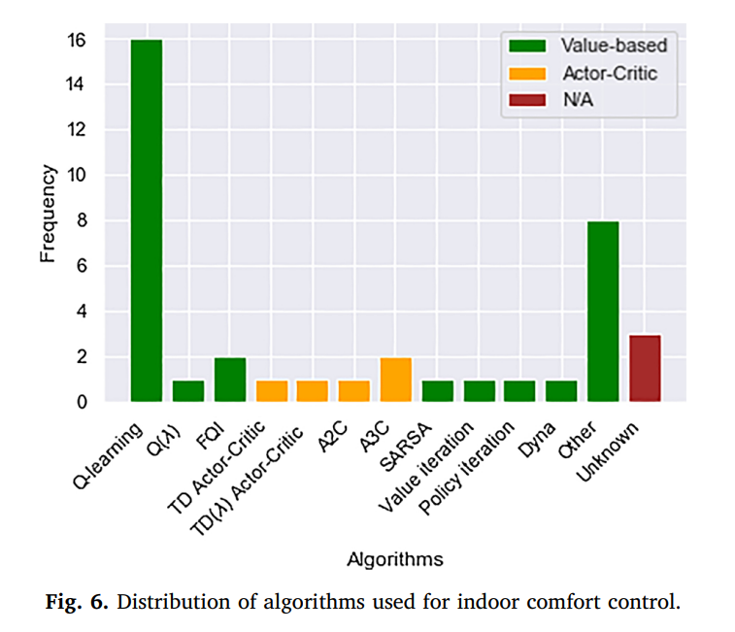 |  |  |  |  |  |  |  |  |  |  |  |  |  |  | Only six out of the thirty-three articles reviewed involved a case study in an actual real setting rather than a simulated environment.
16 | Trade-off decisions in a novel deep reinforcement learning for energy savings in HVAC systems | 1 | Suroor M. Dawood | Journal of Building Performance Simulation | Taylor and Francis | 2022 | This paper presents Model-based Reinforcement Learning (MB-RL) techniques to control the indoor air temperature, and CO2 concentration level, and minimize the energy consumption of the heat ing, ventilating, and air conditioning (HVAC) systems, |  | model based |  | 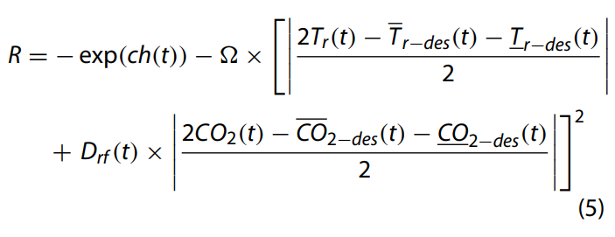 | 1. Indoor Air Temperature 2. Outdoor Air Temperature 3. Co2 Level | Chilled water flowrate, Lighting, Windows, Fresh Air Damper Ratio | nonlinear autoregressive exogenous neural network (NARX-NN) is employed as an approxima tion function with DP-RL method to provide a hybrid DP-NARX-RL c | Discrete |  | Water chillers | Both | MATLAB |  | 1)a multi-chiller HVAC system of Basra International Airport, Iraq is controlled by the DP-NARX-RL and PID approaches 2) HVAC system of a typical building in Basra, Iraq. | Na | Na |  | Matlab |  |  | 8 | Comparative study is done briliantly. Have a look fo rthe thesis. Flowchart of the code is also good.
17 | Towards Optimal District Heating Temperature Control in China with Deep Reinforcement Learning | 0 | adrien le coz | Neural Information processing system |  | 2020 | Unique Central Heat Production Unit | na |  |  |  |  |  | DQN |  |  |  |  |  | Dymola | Simulated Data from Dymola |  |  |  |  |  |  | 4 | In night Energy Goes down by 6.6%. Its very short | Achieving efficiency gains in Chinese district heating networks, thereby reducing their carbon footprint, requires new optimal control methods going beyond current industry tools. Focusing on the secondary network, we propose a data-driven deep reinforcement learning (DRL) approach to address this task. We build a recurrent neural network, trained on simulated data, to predict the indoor temperatures. This model is then used to train two DRL agents, with or without expert guidance, for the optimal control of the supply water temperature. Our tests in a multi-apartment setting show that both agents can ensure a higher thermal comfort and at the same time a smaller energy cost, compared to an optimized baseline strategy.
18 | Deep Reinforcement Learning for Building HVAC Control | 0 | Tianshu Wei University of California, | acm |  | 2017 | Intelligent scheduling of building HVAC systems has the potential to significantly reduce the energy cost. |  |  | temerature | which includes the energy cost of the last control action at−1 and the total penalty of temperature violation |  |  | 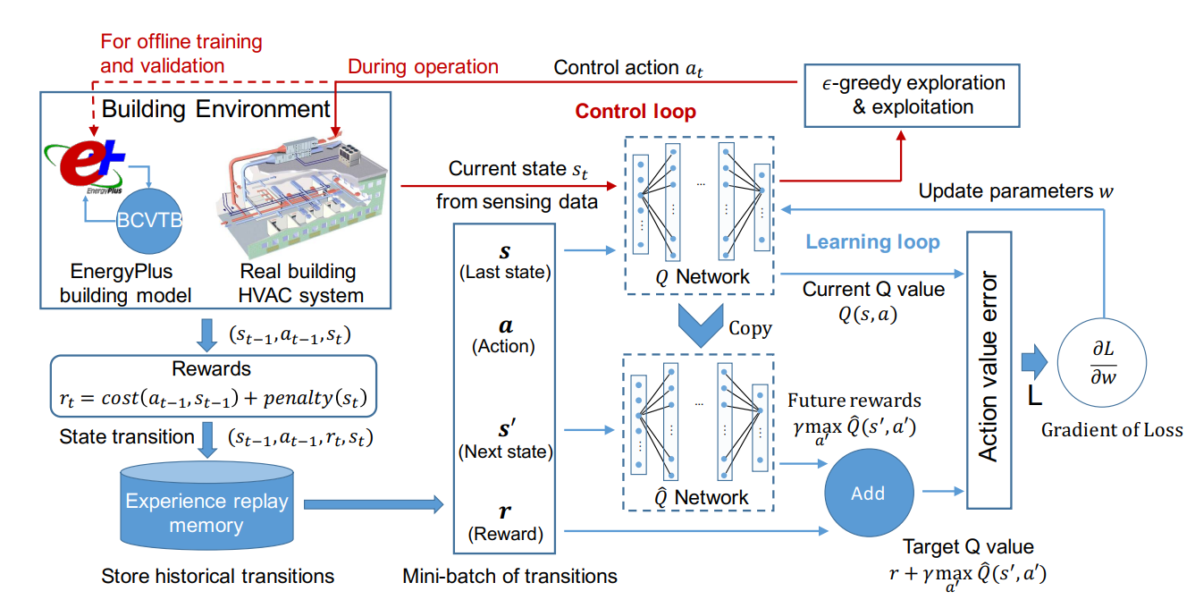
19 | An experimental evaluation of Deep Reinforcement Learning algorithms for HVAC control |  | Antonio Manjavacas |  |  | 2024 |  |  |  |  |  |  |  |  |  |  |  |  |  |  |  |  |  |  |  |  |  |  | Good for thesis
20 | An online reinforcement learning approach for HVAC control |  |  |  |  | 2024
21 | Comparative Analysis of Model-Free and Model-Based HVAC Control for Residential Demand Response |  | Kurte, |  |  | 2021
22 | Energy-efficient control of thermal comfort in multi-zone residential HVAC via reinforcement learning | 1 | Zheng-Kai Ding | CONNECTION SCIENCE 2022, VOL. 34, NO. 1, 2364–2394 https://doi.org/10.1080/09540091.2022.2120598 | Taylor and Francis | 2022 | , firstly we design a SVR-DNN model, consisting of Support Vector Regression and a Deep Neural Network to predict thermal comfort value. Then, we apply Deep Deterministic Policy Gradient (DDPG) based on the output of the SVR-DNN model to achieve an optimal HVAC thermal comfort control strategy | PMV |  |  | M is thermal comfort value and Q is enregy consumption of k room | Outdoor temperature Tout(t) Outdoor humidity Hout(t) Thermal comfort of Room1 MRoom1(t) Thermal comfort of Room3 MRoom3(t) Thermal comfort of Room5 MRoom5(t) Ideal thermal comfort for Room1 MRoom1−ideal(t) Ideal thermal comfort for Room3 MRoom3−ideal(t) Ideal thermal comfort for Room5 MRoom5−ideal(t) | Room1 setpoint temperature Tset Room1 [23, 27] ◦C Room3 setpoint temperature Tset Room3 [23, 27] ◦C Room5 setpoint temperature Tset Room5 [23, 27] ◦C We discretise the range of setpoints with a step size of 0.5◦C. As a result, there are 9 actions for each zone and 729 combina tions of actions for the 3-zone HVAC | 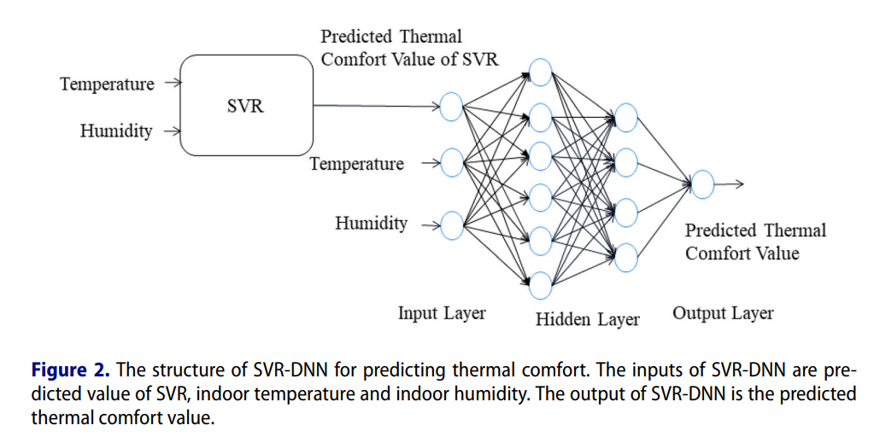 SVR_DNN |  |  |  | cooling | Data driven |  | real-world weather data from Bureau ( |  |  |  |  |  | good paper. | 8 | 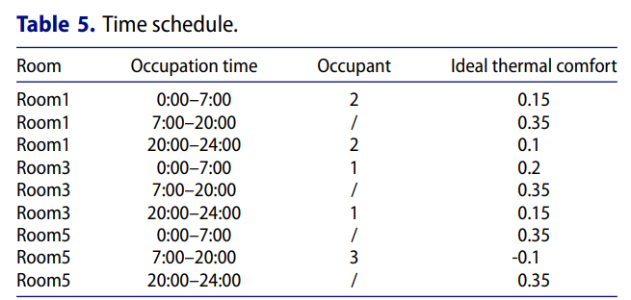
23 | Exploring Deep Reinforcement Learning for Holistic Smart Building Control | 1 | Xianzhong Ding |  |  | 2023 | e highlight the main contributions of the paper as follows: • To the best of our knowledge, this is the first work that leverages DRL to balance the tradeoff between energy use and human comfort in a holistic manner. • OCTOPUS adopts a special reward function and a new DRL architecture to tackle the challenges imposed by the combined joint control of four subsystems with a very large action space. • We tackle the issue of data training requirement by adopting a simulation strategy for data generation, and spending effort in calibrating the simulations to make them as close as possible to the target building. This allows our system to generate as much data as needed within a finite amount of time | PMV | Model free |  | where ρ1, ρ2, ρ3 and ρ4 are the Lagrangian multipliers. E is energy consumption, T c is thermal comfort, V c is visual comfort and Ic is Indoor air quality. Norm(x) is a normalization process, i.e., Norm(x) = (x - xmin )/(xmax - xmin) to transform energy and three human comfort to the same scale. This reward function merges the objective (e.g. energy consumption) and constraint satisfaction (e.g. human comfort). The reward consists of four parts, namely, the penalty for the energy consumption of the HVAC and lighting system, the penalty for the occupants’ thermal discomfort, the penalty for the occupants’ visual discomfort and the penalty for the occupants’ indoor air condition discomfort | : outdoor air temperature (◦C), outdoor air relative humidity (%), indoor air temperature(◦C), indoor air relative humidity (%), diffuse solar radiation (W/m2 ), direct solar radiation (W/m2 ), solar incident angle (◦ ), wind speed (m/s), wind direction (degree from north), average PMV (%), heating setpoint of the HVAC system (◦C), cooling setpoint of the HVAC system (◦C), the dimming level of lights (%), the window open percentage (%), and the blind open angle (◦ ). All the values we can be calculated by the EnergyPlus simulation model. Min-max normalization is used to convert each item to a value within 0-1. | At = {Ht, Lt, Bt, Wt} , (2) where At is the action combination of four subsystems at time t. Ht is the temperature set-point of the HVAC system, which can be set to 66 values. Lt is the dimming level of electric lights. Bt is the blind slat angle. The range of blind slat can be adjusted from 0 ◦ ∼ 180 ◦ . Wt is the open percentage of the window. Each of the above three actuation parameters can be set to 33 values in our current implementation to achieve a proper balance between control granularity and calculation complexity. According to Equation 2, the total number of possible actions in the action space is 2,371,842 (66 × 33 × 33 × 33). |  |  |  |  |  | Energyplus |  | s. A single-floor office building of 100 m2 at Merced, California is modeled. The building is equipped with a north-facing single-panel window of 2 m2 and an interior blind. The simulations are conducted with weather data for the month of October. This is a shoulder season, with outdoor temperatures being a bit cold, but mostly sunny days, i.e. high solar gain |  |  |  |  |  |  | 9 | considered Thermal comfort Visual comfort Indoor air quality. RL-based control of the HVAC system this section is good for thesis. Read the reward calculation part.
24 | Deep Reinforcement Learning for room temperature control: a black-box pipeline from data to policies | 0 | L Di Natale | CISBAT | Jounal of Physics- Conference Series | 2021 | We clain that Reinforcement Learning is Model Free but still end but making realistic environments and traning the models on them. In this paper a fully black boc technique is proposed. "Remarkably, this pipeline indicates that linear room temperature models might be sufficient to learn meaningful control policies" |  |  | Valve position Ut | where Blowt and Bhightare respectively the lower and upper temperature bounds, Et the energy consumption and λ the balancing factor between the comfort violations and the energy consumption, which is fixed at 10 in our experiments. Read the paper again as well there is something more. | where β1, . . . , β13 are the learned model coefficients, T room the room temperature, U the control input, i.e. how much the valves are open, T neigh the temperature in the neighboring room, Tout the ambient temperature, and the subscripts indicate the time step. with agents additionally knowing the current lower and upper bounds on the room temperature, as well as the case2 they are in, to know if opening the valves will heat or cool the room. |  |  |  | Linear | water-based heating/cooling panels | Both |  |  | we control the temperature of one of the two bedrooms in the UMAR unit at the NEST demonstrator at Empa |  | https://gitlab.nccr-automation.ch/loris.dinatale/CISBAT21 |  |  | Consequently, DRL agents decide how much to open the valves - hence effectively choosing how much to turn the heating/cooling system on - each 15 minutes, which is deemed enough to capture the slow thermal dynamics of the room. As comfort measure for the occupants, we predefine dynamic bounds for the room temperature of [22◦C; 23◦C] at night, from 8pm to 8am. During the day, when the bedroom is unoccupied, they are relaxed to [20◦C; 23◦C] in the heating and [22◦C; 25◦C] in the cooling season. Comfort violations over a given period of time are then expressed in Kelvin Hours, summing the difference between the temperature and the bounds at each time step. |  | 9 | Applied in real environment as well and they claim that they have gootten good reasults
25 | A Review of Reinforcement Learning for Controlling Building Energy Systems From a Computer Science Perspective
26 | Energy Cost Driven Heating Control with Reinforcement Learning
27 | Deep reinforcement learning to optimise indoor temperature control and heating energy consumption in buildings | 1 | Silvio Brandi | Energy and Buidlings | ELSEVIER | 2020 | DRL is implemented to control supply water temperature to heating terminal units. •Two state-space formulations with adaptive and non-adaptive approach are tested. •The performance of DRL agent is evaluated against a rule-based control. •Implications in using static or dynamic deployment of DRL agent are discussed. •The agent is tested in four scenarios to determine its level of adaptability. | NA | Modelfree | Temperature |  |  |  | DRL | Action space is discrete |  |  | Heating | Energyplus |  |  |  | na | Data based | Python |  |  |  | In particular, a EnergyPlus model of the building was wrapped in Python interface based on OpenAI Gym [46]. Through this approach a DRL agent, developed in python using existing libraries such as Tensorflow [47] and Keras [48], is able to virtually interact with a simulated building in order to learn the optimal control policy. The whole environment relies on Building Control Virtual Test Bed (BCVTB) and the ExternalInterface function of EnergyPlus.
28 | OCTOPUS: Deep Reinforcement Learning for Holistic Smart Building Control | 0 | Xianzhong Ding | ACM | ACM | 2019 | Prelimerey version of latest ppaer Sr 23
29 | Real-Time Residential Demand Response | 1 |  | IEEE TRANSACTIONS ON SMART GRID, VOL. 11, NO. 5, SEPTEMBER 2020 | IEEE | 2020
30 | Data-driven control of room temperature and bidirectional EV charging using deep reinforcement learning: Simulations and experiments | 1 |  | Applied Energy | ELSEVIER | 2022 | Related to other blackbox paper serial 24

Reinforcement Learning
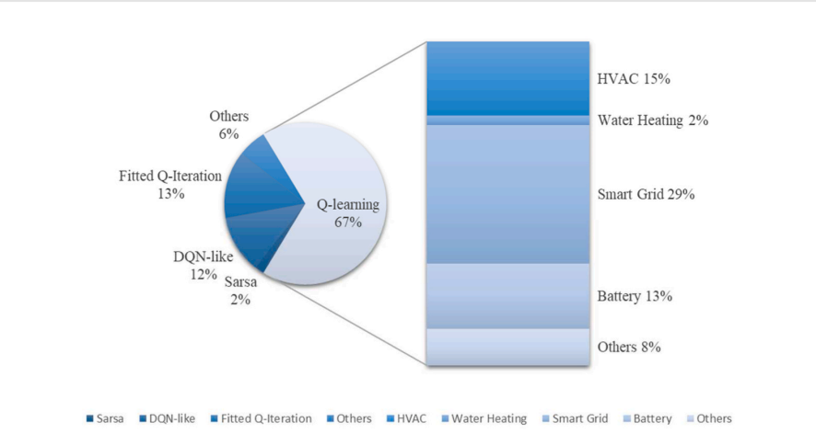
Sr | Terminologies | Explanations
1 | Policy | In RL, policy refers to the behavior of an agent, which is a mapping from states to actions. Through a policy π, the agent is able to decide itself to take actions in different states
2 | Exploration | Ability of an agent to explore the unexplored states of the environment
3 | Exploitation | Ability to select the actions from the environment that is already explored
4 | Optimal policy | RL is essentially the maximization of the reward signal, so that can obtain an optimal policy
5 | Greedy policy | If only the instantaneous reward signal is maximized, it will result in choosing only the one with the largest reward from the action space each time, which becomes a greedy policy.
6 | Bell-man optimality equation | q*(s, a) = r(s, a) + γ ∑ s ′ ∈s p(s ′ |s, a) max a ′ q*(s ′ , a ′ )
7 | Value-based algorithms | Value-based methods learn a policy according to value functions. Among traditional RL value-based methods, the representative is tabular-based methods.
8 | Q-learning | Q learning is the tabular based methods proposed by Watkins in 1992. Q-Learning combines the policy and value functions,and it tells us jointly how useful a given action is in gaining some future reward. | Q-learning and SARSA are effective for problems with small and discrete state. However, when the number of states becomes much larger, the tabular-based methods are no longer suitable.
9 | SARSA | Another tabular-based method is SARSA (State Action Reward State Action). In 1996, R.S. Sutton formally put forward the concept of SARSA
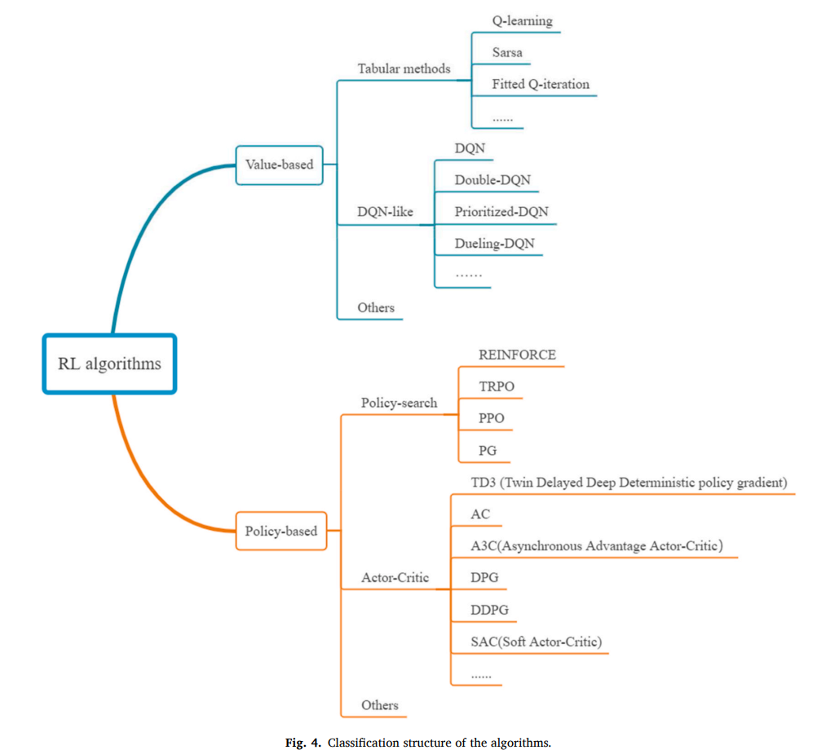
10 | Deep Q-Network (DQN) | Deep Q-Network (DQN) algorithm is an improvement of the Q-learning al gorithm, it uses neural networks instead of Q table. DQN uses a convolutional neural network (CNN) to estimate the value function so that it can solve the problem of high dimensional problems and continuous space problems. Other value-based methods such as Double DQN, Prioritized-DQN, Dueling-DQN etc. are the extensions of DQN.
11 | Policy-based methods | Policy-based methods learn policy directly instead of value functions, it has its own function approximator.Compared with value based methods, policy-based methods have better convergence, can efficiently handle problems of large and continuous action spaces, and can learn stochastic policies. Policy-based methods updated its function approximator according to the gradient of expected reward, with respect to the policy parameters θ. Policy-based methods can be applied to solve continuous state RL problems, and have better convergence and stability. The three main categories include classical policy gradient [11], Trust Region Policy Optimization (TRPO) [12] and deterministic policy gradient (DPG) [13]. Classical strategy gradient updates the strategy parameters by calculating the total expected reward of the strategy, using the gradient about the strategy parameters, and eventually converges to the optimal strategy after multiple iterations.
12 | Actor-critic (AC) algorithms | Actor-critic (AC) algorithms combine value-based and policy-based methods to learn both value functions and policies. In recent years, some algorithms such as DPG [13] and deep deterministic policy gradient (DDPG) [14], Asynchronous Advantage Actor-Critic (A3C) [15] are representatives of the AC algorithms. The actor-critic algorithms have a small variance in the estimation of the value function, high sample utilization, and fast training speed of the algorithm. A3C and A2C also
13 | model-free RL | model-free RL algorithms face the challenge of sample efficiency which causes long-time training and restricts their applications. However, as a trial-and-error learning method, the control performance of pure model-free RL heavily relies on the data it gathers, and the control performance of improved model-free RL requires expert intervention to classify or cluster data.
14 | Model-based RL | Model-based RL algorithms usually can be divided into two categories [25]: Model-based RL with a learned model (Dyna-style [26]), and Model-based RL with a known model (AlphaZero [27 ]).Model-based RL is considered an alternative avenue for accelerating learning and promoting the application of RL, but it also has limitations due to modeling approaches and accuracy.Model-based RL, on the other hand, tries to learn its environment and develop a model for it. The model developed for model-based RL may be known before the experiments or learned through the experiments.
15 | Off Policy Algorithms
16 | On Policy Algorithms
17 | SAC | SAC is an RL algorithm that optimizes a stochastic policy in an off-policy way. The actor-critic structure is employed in SAC, which contains an actor to select actions and a critic to evaluate the actions made by the actor.
18 | Entropy | The advantage of entropy maximization is that it can lead to policies that can explore more and prevent the policy from prematurely converging to an improper local optimum.
19 | Discount factor | Over time, the discount factor modifies the importance of incentives. Given the uncertainty of the future it’s better to add variance to the value estimates. Discount factor helps in reducing the degree to which future rewards affect our value function estimates. An agent employing a discount factor equal to 1 will give greater importance to rewards that can be obtained in the future. Whereas, an agent implementing a discount factor of 0 will assign higher values to states that lead to high immediate rewards.
20 | Exploration rate
21 | Learning rate
22 | Black box vs White box methods | In white box approaches you have the information about the model while in black box appraoches you don’t have access to the model. These terms are usually used in perturbations/aderserial atatches.
23 | experience replay buffer | replay memory to store previous experience obtained by the agent. In the optimisation process of the network weights a random mini batch is extracted from the replay memory and used to fit DNN-regression using as targets Q-values
24 | Static and Dynamic DRL | A static model is trained offline. That is, we train the model exactly once and then use that trained model for a while. A dynamic model is trained online. That is, data is continually entering the system and we're incorporating that data into the model through continuous updates.
25 | Q-value or action-value | Q Value is a measure of the overall expected reward if the agent (A) is in state (s) and takes action (a), and then plays until the end of the episode according to some policy (π).
26 | Dynamic Programming | In Bellman Optimality Equations if we have large state spaces, it becomes extremely difficult and close to impossible to solve this system of equations explicitly Hence, we shift our approach from recursion to Dynamic Programming. Dynamic Programming is a method of solving problems by breaking them into simpler sub-problems. In Dynamic Programming, we are going to create a lookup table to estimate the value of each state. There are two classes of Dynamic Programming: 1. Value Iteration 2. Policy Iteration
27 | Value iteration | In this method, the optimal policy (optimal action for a given state) is obtained by choosing the action that maximizes optimal state-value function for the given state. The optimal state-value function is obtained using an iterative function and hence its name—Value Iteration. By iteratively improving the estimate of V,the Value Iteration method computes the ideal state value function (s). V (s) is initialized with arbitrary random values by the algorithm. The Q (s, a) and V (s) values are updated until they converge. Value Iteration is guaranteed to get you to the best results.
28 | Policy Iteration | It has two phases. Firstly, the reinforcement learning agents tarts with a random policy π (i). Policy Evaluation will evaluate the value functions like state values for that particular policy. The policy improvement will improve the policy and give us π (1) and so on until we get the optimal policy where the algorithm stops.
29 | state-value | The state-value function, represents the expected return (i.e. the cumulative sum of future rewards) of the agent when starting from state s and following policy π:
30 | action-value function | action-value function represents the expected return of the agent when selecting action a starting from state s and following policy π
31 | Exploration and Exploitation | In order to maximize the rewards stream, an agent must select actions previously tried that have been found to be effective in obtaining high rewards (exploitation). However, to identify such actions it must select actions never tried before (exploration). Two of the most frequently used methods to select actions balancing exploration and exploitation are the ε-greedy and the soft-max methods. ε-greedy assigns equal probabilities to all non-optimal actions leading to poor results in some circumstances, while soft-max approach has shown problems on selecting the best-performing action
32 | Max Boltzmann Exploration | The Max-Boltzmann exploration rules combines the two previously mentioned approaches. Following this approach, the agent acts almost deterministically when the estimations of the Q-values are not ambiguous (i.e. the Q-value associated with the best performing action significantly differs from the others), while it allows wider exploration in the region of the state-action space where the Q-values estimations are more ambiguous
33 | Deep Q Networks (DQN) | Adopting a tabular representation may be unfeasible in practical problems where the state and action spaces are very large. In Deep Q Networks (DQN) the Q-value function is parametrized by ϑ, where ϑ are the weights of the network. The number of neurons in the input layer of the network is equal to the number of variables from which a state is composed, while, the output layer has many neurons as the number of actions that the agent may take at each control interaction with the environment. However, in the RL paradigm, the true Q-value for each state-action pair is not known a-priori but it is learnt over successive interaction with the controlled environment. At each control step, the Q-values are updated according to Eq. (3) and used as targets to retrain the deep neural network. The second improvement involves the employment of two neural networks [45]. The first one, called online network, is constantly updated and directly used in the interaction with the environment; the second one, called target network, is updated after N iterations and used to predict target values. The target network is an exact copy of the online network and during the update the weights of the online network are simply copied into the target network. First is the addition of replay buffer that stores previous experiences.
34 | Physics-based models | There are two paradigms for modeling building dynamics: physics-based and statistics-based [14]. Physics-based models, e.g., EnergyPlus, utilize physical knowledge and material properties of a building to create detailed representation of the building dynamics. A major shortcoming is that such models are not control-oriented. Nonetheless, it is not impossible to use such models for control [17]. For instance, exhaustive search optimization is used to derive control policy for an EnergyPlus model [18]. Furthermore, physics-based model requires significant modeling effort, because they have a large number of free parameters to be specified by engineers (e.g., 2,500 parameters for a medium-sized building [19]); and information required for determining these parameters are scattered in different design documents [20].
35 | Sparse Rewards in RL | In Reinforcement Learning (RL), sparse rewards refer to a situation where the reward signal is only occasionally provided to the agent, often after a long sequence of actions. In such cases, the agent may have difficulty learning to optimize its behavior because the sparse reward signal may not be enough to provide adequate information about what actions led to the reward or what actions should be repeated. Advantages of sparse rewards: They can reflect more realistic scenarios where rewards may not always be easily obtainable. They can encourage exploration and learning about the environment, as the agent may have to try different actions to uncover reward opportunities. They can lead to more interesting and complex policies, as the agent has to learn from a more limited reward signal. Disadvantages of sparse rewards: The learning process may be slower and more difficult as the agent has less information about the environment. The agent may become stuck in a suboptimal state as the sparse reward signal may not be enough to encourage the exploration of other options. The agent may not be able to generalize well to new situations, as it has learned from a limited set of experiences with sparse rewards.
36 | Dense Rewards in RL | Opposite of Sparse Reward
37 | Curiosity Based Exploration
38 | Reward Shaping | The term “shaping” was originally introduced in behavioral science by Skinner [13]. Shaping is sometimes also called “successive approximation”. Ng et al. [8] formal ized the term and popularized it under the name “reward shaping” in reinforcement learning. Although practitioners have always engaged in some form of reward shaping, the first theoretically grounded framework has been put forward by Ng et al. [8] under the name potential-based reward shaping (PBRS). According to this theory, the shaping signal F must be a function of the current state and the next state, i.e., F : S × S → R. The shaping signal is added to the original reward function to yield the 30 J. Eschmann new reward signal R (s, a,s ) = R(s, a,s ) + F(s,s ). Crucially, the reward shaping term F(s,s ) must admit a representation through a potential function Φ(s) that only depends on one argument.
39
40
41
42
43
44
45
46
47
48
49
50
51
52
53
54
55
56
57
58
59
60

SAR daigram
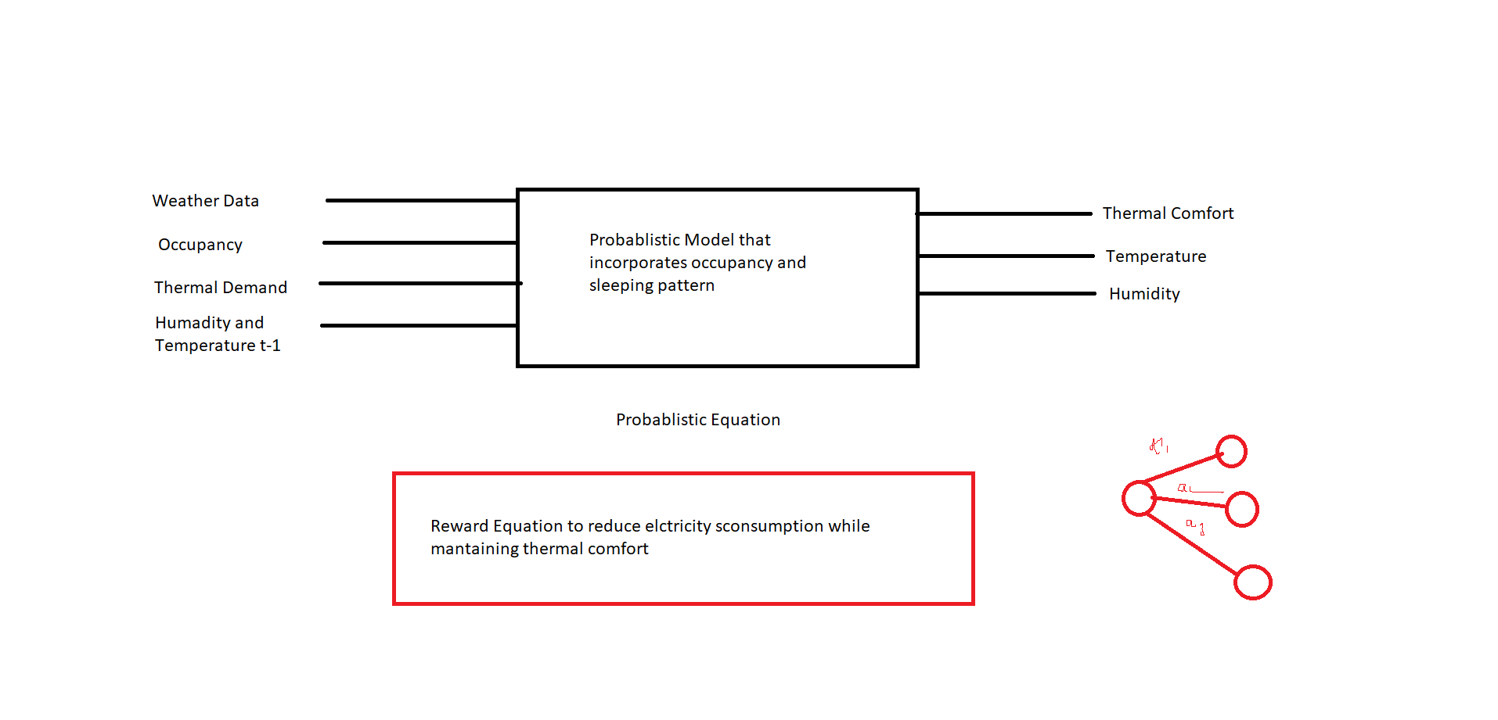
State | Action | Reward
External Temperature \n Normal Irradiation Air Temperature CO2 Relative Humidity Air Supply Temperature | state of the valve between 0 and 1. |  | 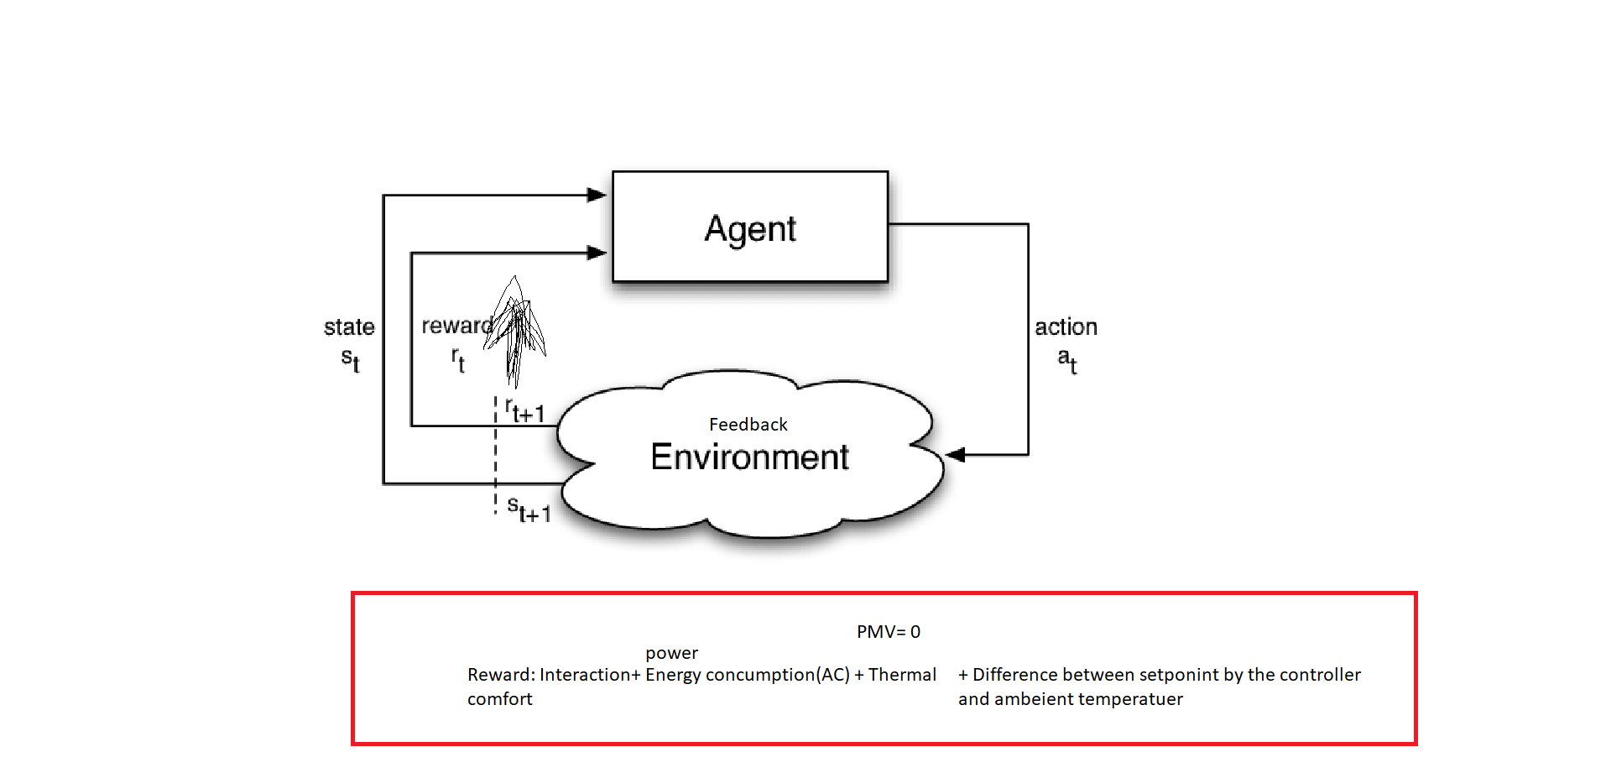

Value Based vs Policy Based
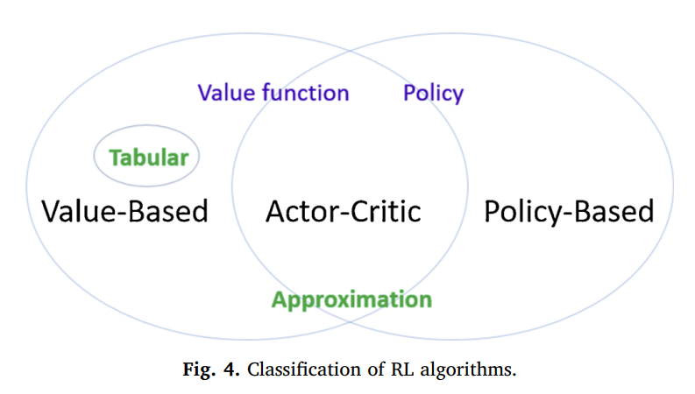
Sr. No | Value Based RL | Policy Based RL
1 | Value-based methods learn a policy according to value functions. | Policy-based methods learn policy directly instead of value functions
2 | tabular-based methods | Policy-based methods can be applied to solve continuous state RL problems, and have better convergence and stability. Can be applied to descrete space as well.
3 | e agent’s policy is determined by its Q table, | the method of finding the optimal J can be translated into solving the maximization problem using gradient ascent for a set of parameters θ
4 | each action has its value in its Q table. | They can handle scenarios with a large or continuous action space.
5 | One of the tabularbased methods is Q-learning. Q-learning was proposed by Watkins in 1992 [8], during the state s ∈ S, the agent takes an action a ∈ A, the agent receives a reward r ∈ R from the environment, then updates the Q tablQ(St, At) ← Q(St, At) + α[Rt+1 + γ max Q(St+1, a)− Q(St, At)]. | J(θ) = Eπ∼pθ (τ)[r(τ)]
6 | Another tabular-based method is SARSA (State Action Reward State Action). In 1996, R.S. Sutton formally put forward the concept of SARSA [9], defined by: Q(St, At) ← Q(St, At) + α[Rt+1 + γ Q(St+1, At+1)− Q(St, At)] | The three main categories include classical policy gradient, Trust Region Policy Optimization (TRPO) and deterministic policy gradient (DPG).
7 | Q-learning (They have a relatively faster convergence rate) and SARSA (Q-learning and SARSA are preferred for scenarios with a small and discrete state space. ) are effective for problems with small and discrete state | Compared with valuebased methods, policy-based methods have better convergence, can efficiently handle problems of large and continuous action spaces, and can learn stochastic policies.
8 | , when the number of states becomes much larger, the tabular-based methods are no longer suitable(discretization to overcome this drawback). | Actor critic Policy Serach | Example on-policy algorithms include SARSA (State-Action-Reward-State-Action) and A3C (Asynchronous Advantage Actor-Critic).
9 | DQN if the state and action space is large. When state space is continuous but action space is discrete |  | behavior policy (used for exploration) and the target policy (policy being learned).
10 | e experience replay mechanism
11
Note | Actor-critic (AC) algorithms combine value-based and policy-based methods to learn both value functions and policies. In recent years, some algorithms such as DPG and deep deterministic policy gradient (DDPG) , Asynchronous Advantage Actor-Critic (A3C) are representatives of the AC algorithms. They have a relatively slower convergence rate. They can handle scenarios with a large or continuous action space. DDPG is only available for continuous action spaces. A2C and A3C can provide a faster training relatively.

Other control strategies
Sr. | Controlers | Problems | Neither can these control methods learn a control strategy suitable for the building environment on their own, nor can they adapt to changes in the status of individual building equipment during building use.
1 | Rule-based feedback control | This method can meet the requirements of the occupants and saves energy at the same time. However, it requires a predetermined plan for control, so the method is not flexible
2 | feed-based reactive control. | This method is simple and effective, but not optimal, since it does not consider the prediction information and fails to meet specific building and climate conditions
3 | model predictive control (MPC) | MPC has been studied to reduce building energy consumption, such as [4] using MPC for demand response control, which can reduce energy consumption and save costs. But MPC requires an accurate model.The use of MPC for building control requires modeling for each specific building, but this modeling process is too costly and unavoidable at present, and there is no relevant commercial software that can easily derive a model for MPC design [5].
4 | optimal control theory | However, this approach is demanding on the model, and overly pursues superior control performance at the same time, which may neglect some necessary practical factors (e.g., comfort, cost, etc.) in practical building applications
5
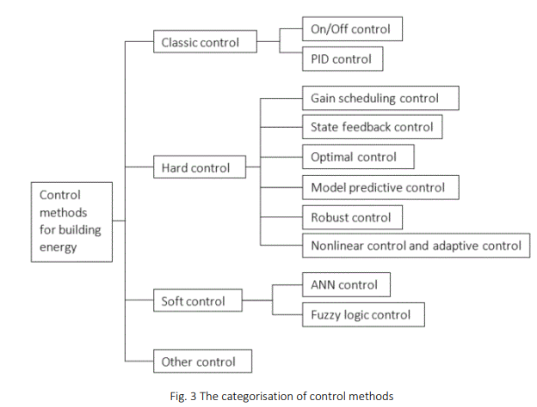
6
7
8
9

Algorithms to know
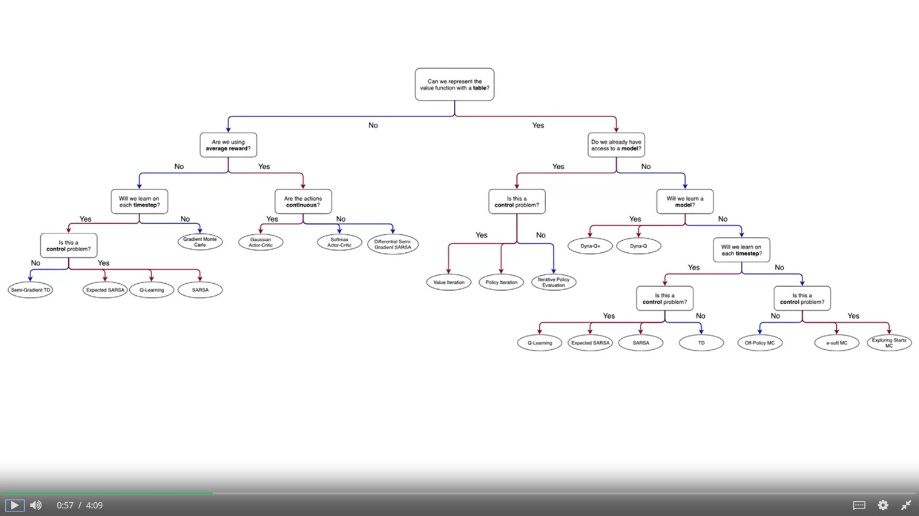
Sr. | Names
1 | value iteration
2 | policy iteration
3 | dynamic programming
4 | Algorithms for training deep neural networks include Deep Deterministic Policy Gradient (DDPG) [6], Proximal Policy Optimization (PPO) [17], and Deep Q-Networks (DQN) [18], to name a few | Standard DQN and DDPG algorithms are suited only for environments with discrete and continuous action-spaces, respectively, while PPO can be applied for either type.
5 | Double DQN Hasselt et al. [19] introduces a different way to compute the target values because according to [19], the Q-function tends to overestimate the action values and they introduce double DQN as a solution to this problem
6
7

 | DQN is effective in solving most problems. Its disadvantage is that it can not deal with continuous action space. Even if DQN processes discrete action space, which is large, its performance will deteriorate

 | DDQN, MBDDQN, SAC, and MBSAC?

